Sheet1
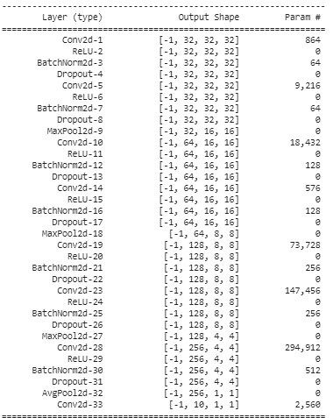
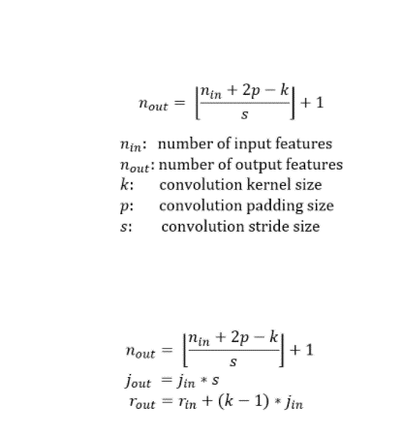
 | Filter Size | 27 | Parameter | 864

def forward(self, x):
x = self.conv1(x) |  | 3
x = self.conv2(x) |  | 5
x = self.pool1(x) |  | 10
x = self.conv3(x) |  | 12
x = self.conv4(x) |  | 14
x = self.pool1(x) |  | 28
x = self.conv5(x) |  | 30
x = self.conv6(x) |  | 32
x = self.pool1(x) |  | 64
x = self.conv7(x) |  | 66
x = self.gap(x)
x = self.conv8(x)
x = x.view(-1, 10)
return F.log_softmax(x, dim=-1)

